Sheet1
AAAAA

 | CCC

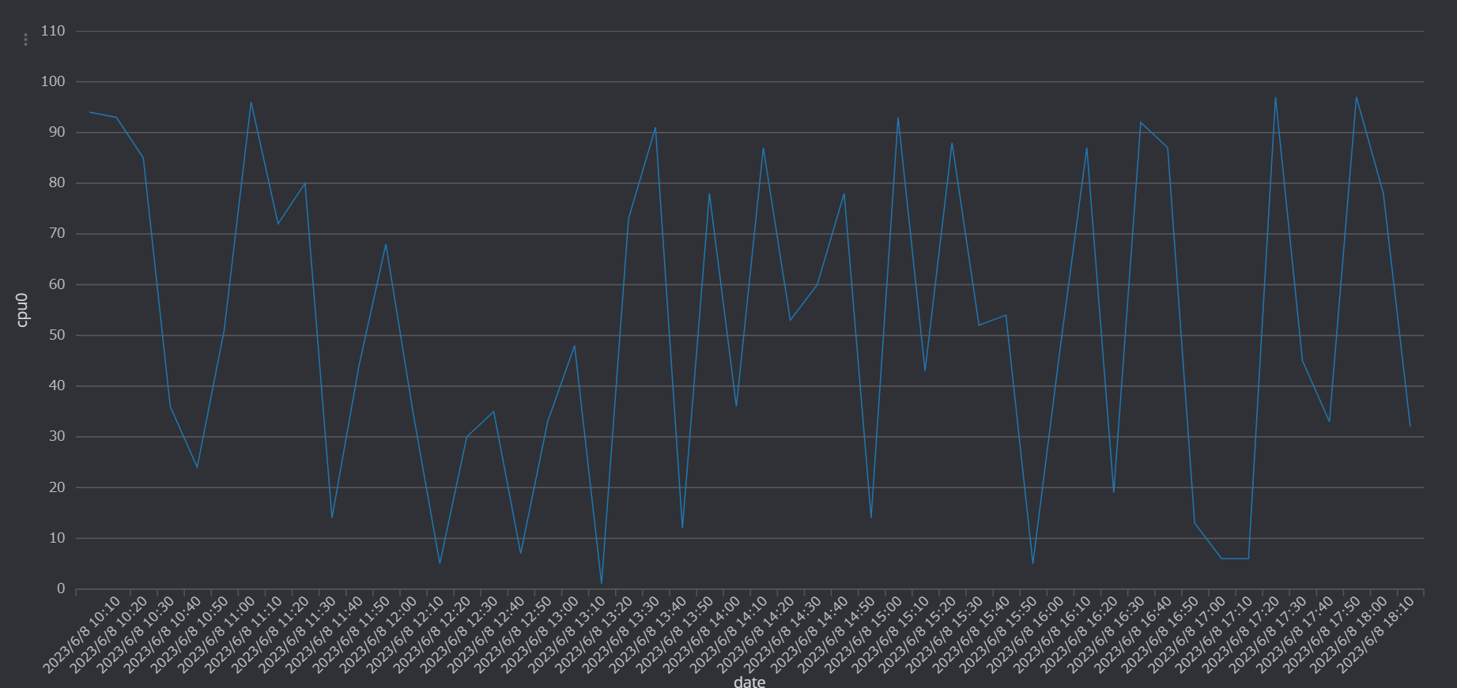

 |  | Polacode

